Instructions
District of Columbia
Stormwater Management Guidebook
Best Management Practices Calculator
Version 7
Instructions:
1. Select tab with BMP of interest. Tab names BMPs are listed with the corresponding section of the DC Stormwater Management Guidebook (2019). For Rainwater Harvesting, refer to the Rainwater Harvesting Retention Calculator.
2. Enter data into cells highlighted orange. Some cells are drop down selection lists, as described in the notes.
3. Calculated values will appear in cells highlighted gray.
4. Checks appear in cells highlighted yellow.
5. Refer to text in red for important notes.
6. To add results to the report, either print or copy and paste, as described below.
6a. Print area is set for each sheet. Ensure print margins are centered horizontally. (To do this, first select the worksheet to be printed. Select Print, Page Setup, Margins, then check the box next to Horizontally.) Print desired sheet to PDF.
6b. To copy into a report, either print to PDF or, to copy and paste, start at bottom right cell to more easily select desired area (the equation information is a text box).
7. To clear previously entered data, click on button to the right of the data entry on each sheet.
Change Log
Version | Date Published | Revisions Made
6 | 2020-01-31 | Fully updated to coincide with release of 2020 Stormwater Management Guidebook
7 | 2020-04-17 | Error in volume calculation for non-irrigated green roofs fixed. Each sheet protected to avoid erroneous changes to equations.
8 | 2020-11-25 | Added Sump Storage Volume calculation to 3.5 Permeable Pavement.

3.2 Green Roof
3.2 GREEN ROOF
Design Types
Non-Irrigated. Green roof designs that do not incorporate permanent irrigation.
Irrigated. Green roof designs that incorporate permanent irrigation and require soil moisture monitoring.
Green Roof Storage Volume
$$Sv=\frac{SA×[\left(d×η_{1}\right)+\left(DL×η_{2}\right)]}{12}$$
where:
Sv = green roof storage volume (ft³)
SA = green roof area (ft²)
d = media depth (in)
${ η}_{1}$ = verified media maximum water retention
DL = drainage layer depth (in)
$η_{2}$ = verified drainage layer maximum water retention
Retention Value
Non-irrigated green roofs retain 100% of their storage volume, therefore:
$$Rv=Sv$$
where:
Rv = retention value (ft³), Sv = green roof storage volume (ft³)
Irrigated green roofs retain 50% of their storage volume, therefore:
$$Rv=0.5 × Sv$$

Click Here to Clear Entered Data
Variable | Value | Units | Notes on use
SA |  | ft2 | Total green roof area
d |  | in | Minimum of 3 inches
ŋ1 |  | unitless | If unknown, enter 0.10 as a baseline default.
DL |  | in | If drainage and media layers are combined, enter 0.
ŋ2 |  | unitless | If unknown, enter 0.0 as a baseline default.
Irrigation |  | n/a | Select irrigation type from drop down list.
Sv | Select Irrigation Value | ft3
Rv | Select Irrigation Value | ft3 | Calculated based on irrigation type selected.
Rv |  | gallons | Converted from cubic feet.

3.4 Impervious Surface Discon.
3.4 IMPERVIOUS SURFACE DISCONNECTION
Disconnection Types:
D-1 (A/B) = Simple disconnection to a pervious compacted cover area on HSG A or B soils.
D-1 (C/D) = Simple disconnection to a pervious compacted cover area on HSG C or D soils.
D-2 = Simple disconnection to a conserved natural cover area (natural cover).
D-3 = Simple disconnection to a soil compost amended filter path (soil amended).
Retention Values:
$$Rv=Rvrate×SAp$$
where:
Rv = retention value (ft³), SA_{p} = receiving pervious surface area (ft²),
Rv_{rate} = rate of retention value (ft³/ft²), given below.
Rates of Retention Value:
D-1 (A/B) = 4 cubic feet (30 gallons) per 100 square feet of receiving pervious area.
D-1 (C/D) = 2 cubic feet (15 gallons) per 100 square feet of receiving pervious area.
D-2 = 6 cubic feet (45 gallons) per 100 square feet of receiving pervious conservation area.
D-3 = 4 cubic feet (30 gallons) per 100 square feet of receiving compost amended filter path.
Note: The surface areas for practices D-1 and D-3 are considered compacted cover for purposes of retention calculations, and the surface area of practice D-2 is considered natural cover.

Click Here to Clear Entered Data
Type | SAp (ft2) | Rv (ft3) | Rv (gallons)
D-1 (A/B) |  | 0.00 | 0.00
D-1 (C/D) |  | 0.00 | 0.00
D-2 |  | 0.00 | 0.00
D-3 |  | 0.00 | 0.00
Totals | 0.00 | 0.00 | 0.00

3.5 Permeable Pavement
3.5 PERMEABLE PAVEMENT
Design Types
Enhanced. Practice that can infiltration the design storm volume in 48 hours (no underdrain).
Underdrained Enhanced. Practice with underdrain(s) that contain a water quality filter layer and an infiltration sump beneath the underdrain sized to drain the design storm in 48 hours.
Standard. Practice with a standard underdrain design and no infiltration sump or water quality filter.
Permeable Pavement Storage Volume
$$Sv=A_{p}[(d_{p}×η_{r})+(K_{sat}×t_{f})]$$
where:
Sv = storage volume (ft³)
A_{p} = permeable pavement surface area (ft²)
d_{p} = depth of the reservoir layer (ft)
$η_{r}$ = effective porosity for the reservoir layer
K_{sat} = saturated hydraulic conductivity for the subgrade soils (ft/day)
t_{f} = time to fill the reservoir layer (days)
Permeable Pavement Sump Storage Volume
$$Sv_{sump}=A_{p}[(d_{s}×η_{r})+K_{sat}×t_{f}]$$
where:
Sv_{sump} = storage volume (ft³)
d_{s} = depth of the sump layer (ft)
$η_{r}$ = 0.4 (effective porosity for the sump layer)
A_{p} = permeable pavement surface area (ft²)
K_{sat} = field-verified saturated hydraulic conductivity for the subgrade soils (ft/day)
t_{f} = time to fill the sump layer (days) (assume 2 hours or 0.083 days)
Drawdown Time
$$t_{d}=\frac{d_{p}×η_{r}}{K_{sat}}$$
where:
t_{d} = drawdown time (days)
Retention Value
Enhanced permeable pavement designs retain 100% of their storage volume, therefore:
$$Rv=Sv$$
where:
Rv = retention value (ft³)
Underdrained Enhanced permeable pavement designs retain 100% of their storage volume below the sump depth, and, above their sump invert, they retain storage at a rate of 5.0 cubic feet per 100 square feet of permeable pavement, therefore:
$$Rv=Sv(sump)+\frac{5.0 ft^{3}×A_{p}}{100 ft^{2}}$$
Standard permeable pavement designs retain storage volume at a rate of 5.0 cubic feet per 100 square feet of permeable pavement, therefore:
$$Rv=\frac{5.0 ft^{3}×A_{p}}{100 ft^{2}}$$
Enhanced permeable pavement design cross section.

Underdrained enhanced permeable pavement design cross section.

Standard permeable pavement design cross section.

Click Here to Clear Entered Data
Variable | Value | Units | Notes on use
Design Type |  | Select | From drop down list, select design type
Ap |  | ft2 | Total permeable pavement surface area
dp |  | ft | The reservoir layer depth (includes infiltration sump depth for underdrained Enhanced designs)
dsump |  | ft | For Underdrained Enhanced designs , enter depth of infiltration sump.
ŋr | 0.40 | unitless | 0.4 for No. 57 stone
Ksat |  | ft/day | Field-verified. With impermeable liners, enter 0.
tf | 0.083 | days | Assume 0.083 days (2 hours).
td |  | days | Enhanced design volumes or Underdrained Enhanced sump volumes must drain within 48 hours. Calculated based on Design Type selected.
Check td | Not Applicable |  | Determines if drawdown time is less than 48 hours.
Sv | Select Design Type | ft3 | Calculated based on design type selected.
Sump Storage Volume | N/A | ft3 | Only for Underdrain Enhanced design type.
Rv | Select Design Type | ft3 | Calculated based on design type selected.
Rv |  | gallons | Converted from cubic feet.

3.6 Bioretention
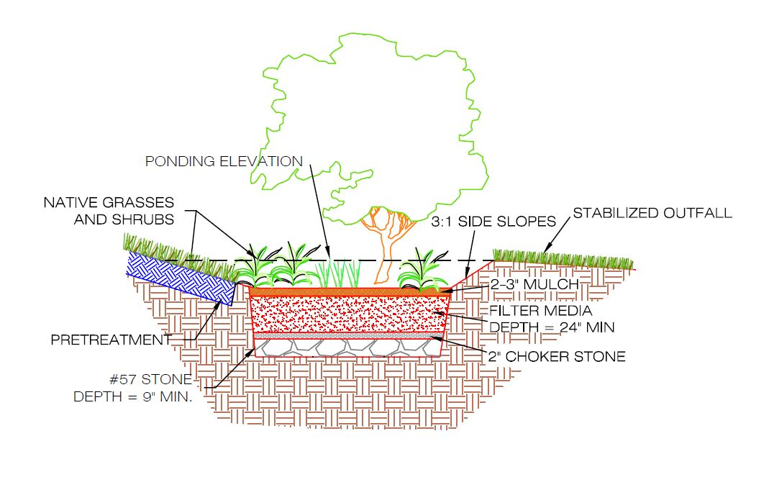
Enhanced bioretention design cross section.
3.6 BIORETENTION
Design Types
Enhanced. Practices that can infiltrate the design storm volume within 72 hours.
Enhanced with Underdrain. Practices with underdrains that contain at least 24 inches of filter media depth and an infiltration sump/storage layer
Standard. Practices with a standard underdrain design and at least 18 inches of filter media depth.
Bioretention Storage Volume
$Sv={SA}_{bottom}×\left[\left(d_{media}×η_{media}\right)+\left(d_{gravel}×η_{gravel}\right)\right]+({SA}_{average}×d_{ponding})$
where:
Sv = total storage volume of bioretention (ft³)
SA_{bottom} = bottom surface area of bioretention (ft²)
d_{media} = depth of the filter media, including mulch layer (ft)
η_{media} = effective porosity of the filter media
d_{gravel} = depth of the underdrain and underground storage gravel layer, including choker stone (ft)
η_{gravel} = effective porosity of the gravel layer
d_{ponding} = maximum ponding depth of bioretention (ft)
SA_{average} = average surface area of bioretention (ft²)
Typically,
$$SAaverage=\frac{SAbottom+SAtop}{2}$$
where: SA_{top} = top surface area of bioretention (ft²)
Enhanced with Underdrain Bioretention Infiltration Sump Depth
$$d_{sump}=\frac{(K_{sat}×t_{d})}{η_{r}}$$
where:
d_{sump} = depth of the infiltration sump (ft)
K_{sat} = field-verified saturated hydraulic conductivity for the native soils (ft/day)
t_{d} = drawdown time
n_{r} = available porosity of the stone reservoir
For non-underdrained designs, a check must be performed to ensure that the entire Sv infiltrates within 72 hours, as shown below.
Enhanced Bioretention Infiltration Rate Check
$${Sv}_{infiltrate}={SA}_{bottom}(K_{sat}×t_{d})$$
where:
Sv_{infiltrate} = storage volume that will infiltrate within 72 hours (ft³)
SA_{bottom} = bottom surface area of bioretention (ft²)
K_{sat} = field-verified saturated hydraulic conductivity for the native soils (ft/day)
t_{d} = drawdown time
If Sv_{infiltrate} is greater than or equal to Sv, then the entire Sv will infiltrate within 72 hours. If it is not, the storage volume of the bioretention area should be reduced accordingly.
Retention Value
Enhanced and Enhanced with underdrain bioretention designs retain 100% of their storage volume, therefore:
$$Rv=Sv$$
where: Rv = retention value (ft³).
Standard bioretention designs retain 60% of their storage volume, therefore:
$$Rv=0.6×Sv$$

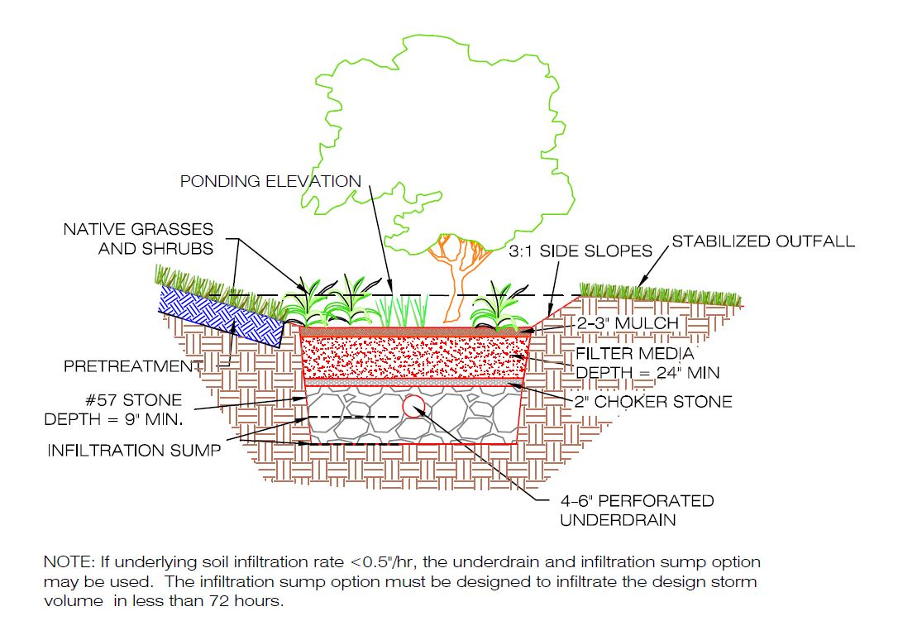
Underdrained enhanced bioretetion design cross section.

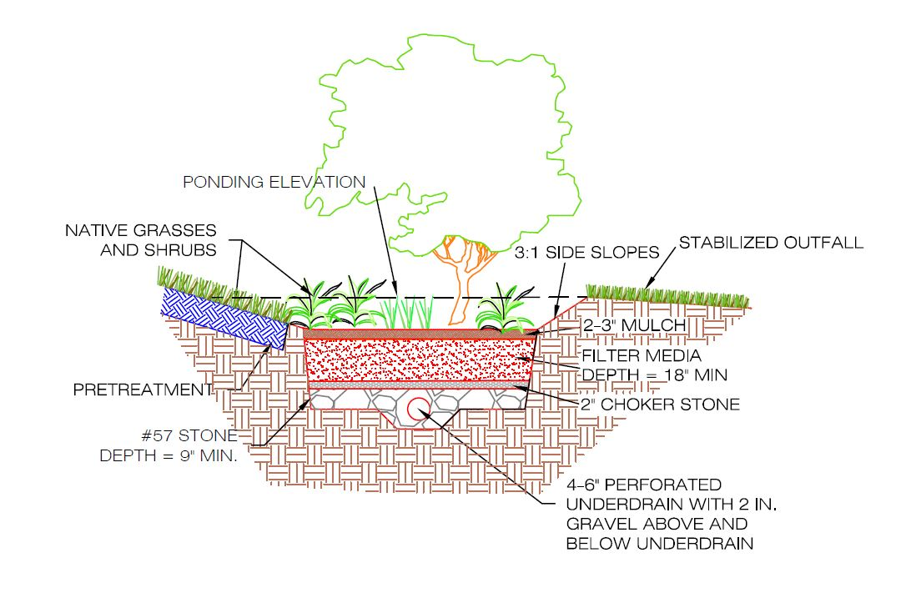
Standard bioretetion design cross section.

Variable | Value | Units | Notes on use
Type |  | Select | From drop down list, select type of bioretention.
SAtop |  | ft2
SAbottom |  | ft2
Click Here to Clear Entered Data
SAaverage | 0.00 | ft2 | Typical average
dmedia |  | ft
ηmedia | 0.25 | unitless | Typically 0.25
dgravel |  | ft
dsump |  | ft | Depth of stone below underdrain (sump); only for Enhanced with Underdrain
ηgravel | 0.40 | unitless | Typically 0.40
dponding |  | ft | Maximum depth is 1.5 ft; minimum depth is 0.25 ft.
Sv | 0.00 | ft3
Ksat |  | ft/day | Must exceed 0.1 ft/day
td | 3.00 | days | Must be within 3 days
nr | 0.40 | unitless | Assumed to be 0.40
dsump | N/A | ft | Maximum depth of stone below underdrain (sump) allowed.
Svinfiltrate | 0.0 | ft3
Check for Svinfiltrate | Select Type | N/A | Svinfltrate must be greater than or equal to Sv to ensure infiltration within 72 hours.
Rv | Select Type | ft3 | Calculated based on type selected.
Rv |  | gallons

3.8 Infiltration
3.8 INFILTRATION BASINS AND TRENCHES
I-1 Infiltration trench
I-2 Infiltration basin
Infiltration Trench Storage Volume
$$Sv=SA×[(η_{r}×d)+\left(K_{sat}×t_{f}\right)]$$
Infiltration Basin Storage Volume
$$Sv=SA×[d+\left(K_{sat}×t_{f}\right)]$$
where:
Sv = total storage volume (volume fully infiltrated through the practice)(ft³)
SA = infiltration surface area (ft²)
η_{r} = avilable porosity of the stone reservoir
d = infiltration depth (ft)
K_{sat} = field-verified saturated hydraulic conductivity for the native soils (ft/day)
t_{f} = time to fill infiltration capacity (days)
Maximum Underground Reservoir Depth for Infiltration Trenches
$$d_{max}=\frac{(K_{sat}×t_{d})}{η_{r}}$$
where:
d_{max} = maximum depth of the infiltration practice (ft)
t_{d} = maximum drawdown time (day)
Maximum Surface Basin Depth for Infiltration Basins
$$d_{max}=K_{sat}×t_{d}$$
Retention Value
Infiltration practices receives 100% retention value of their calculated storage volume, therefore:
$$Rv=Sv$$
where: Rv = retention value (ft³).

Click Here to Clear Entered Data
Variable | Value | Units | Notes on use
SA |  | ft2
ηr | 0.40 | ft2 | Typically 0.40
d |  | ft
Ksat |  | ft/day | Must exceed 0.1 ft/day
tf | 0.083 | days | Typically 2 hours, or 0.083 days
td | 3.00 | days | Normally 3 days
Type |  | Selection | From drop down list, select infiltration type
dmax | 0 | ft | Calculated based on infiltration type selected.
dmax check | Within range | Check | Check to ensure depth is less than or equal to maximum allowable depth based on infiltration type seleced.
Sv | 0.00 | ft3 | Calculated based on infiltration type selected.
Rv | 0.00 | ft3
Rv | 0.00 | gallons

3.9 O-1 Grass Channel
3.9 O-1 GRASS CHANNEL
Open Channel Type O-1 Storage Volume
$$Sv=DesignStorm$$
where:
Sv = total storage volume of Grass Channel (ft³)
DesignStorm = SWRv or other design storm volume (ft³)
(e.g., portion of the SWRv)
Retention Value
Grass channels retain 10% of their storage volume, therefore:
$$Rv=0.1 ×Sv$$
where:
Rv = retention value (ft³).
Grass channels on Amended Soils retain 30% of their storage volume, therefore:
$$Rv=0.3 ×Sv$$

O-1 | Amended? (Select) | Sv (ft3) | Rv (ft3) | Rv (gallons)
1 |  |  | 0 | 0
2 |  |  | 0 | 0
3 |  |  | 0 | 0
4 |  |  | 0 | 0
5 |  |  | 0 | 0
Totals |  | 0 | 0 | 0

3.9 O-2 Dry Swale
3.9 O-2 DRY SWALE
Open Channel Type O-2 Storage Volume
$Sv={SA}_{bottom}×\left[\left(d_{media}×η_{media}\right)+\left(d_{gravel}×η_{gravel}\right)\right]+({SA}_{average}×d_{ponding})$
where:
Sv = total storage volume of dry swale (ft³)
SA_{bottom} = bottom surface area of dry swale (ft²)
d_{media} = depth of the filter media, including mulch layer (ft)
η_{media} = effective porosity of the filter media
d_{gravel} = depth of the underdrain and underground storage gravel layer, including choker stone (ft)
η_{gravel} = effective porosity of the gravel layer
d_{ponding} = maximum ponding depth of dry swale (ft)
SA_{average} = average surface area of dry swale (ft²)
Typically,
$$SAaverage=\frac{SAbottom+SAtop}{2}$$
where: SA_{top} = top surface area of dry swale (ft²)
Retention Value
Dry swales retain 60% of their storage volume, therefore:
$$Rv=0.6×Sv$$

Click Here to Clear Entered Data
Variable | Value | Units | Notes on use
SAtop |  | ft2
SAbottom |  | ft2
SAaverage | 0.00 | ft2 | Typical average
dmedia |  | ft
ηmedia | 0.25 | unitless | Typically 0.25
dgravel |  | ft
ηgravel | 0.40 | unitless | Typically 0.40
dponding |  | ft | Maximum depth is 1.5 ft; minimum depth is 0.25 ft.
Sv | 0.00 | ft3
Rv | 0.00 | ft3
Rv | 0.00 | gallons

3.9 O-3 Wet Swale
3.9 O-3 WET SWALE
Open Channel Type O-3 Storage Volume
$$Sv=S_{pool}+{ED}_{24hr}$$
where:
Sv = total storage volume of wet swale (ft³)
S_{pool} = volume of permanent pool in wet swale pond (ft³)
ED_{24hr} = volume of permanent pool in wet swale pond (ft³)
Retention Value
Wet swales retain 10% of their storage volume, therefore:
$$Rv=0.1 ×Sv$$
where:
Rv = retention value (ft³).

Click Here to Clear Entered Data
O-3 | Spool(ft3) | ED24hr (ft3) | Sv (ft3) | Rv (ft3) | Rv (gallons)
1 |  |  | 0.00 | 0.00 | 0.00
2 |  |  | 0.00 | 0.00 | 0.00
3 |  |  | 0.00 | 0.00 | 0.00
4 |  |  | 0.00 | 0.00 | 0.00
5 |  |  | 0.00 | 0.00 | 0.00
Totals | 0.00 | 0.00 | 0.00 | 0.00 | 0.00

3.10, 3.11 SW Ponds + Wetlands
3.10, 3.11 STORMWATER PONDS and WETLANDS
Pond Types:
C-1 Micropool extended detention pond
C-2 Wet pond
C-3 Wet extended detention pond
Wetland Types:
W-1 Shallow wetland
W-2 Extended detention shallow wetland
Pond/Wetland Storage Volume
$Sv=Pond permanent pool volume$
here:
Sv = total storage volume of pond permanant pool ft³)
Pond Permanent Pool Volume = equivalent to the SWRv or design volume (ft³)
Retention Values:
Stormwater Ponds and Wetlands retain 10% of their storage volume, therefore:
$$Rv=0.1 ×Sv$$
where:
Rv = retention value (ft³).

Click Here to Clear Entered Data
Type | Sv (ft3) | Rv (ft3) | Rv (gallons)
C-1 |  | 0.00 | 0.00
C-2 |  | 0.00 | 0.00
C-3 |  | 0.00 | 0.00
W-1 |  | 0.00 | 0.00
W-2 |  | 0.00 | 0.00
Totals | 0.00 | 0.00 | 0.00

3.14 Tree Planting Preservation
3.14 TREE PLANTING AND PRESERVATION
Tree Types:
T-1 = Tree planting. Trees planted and maintained in accordance with the Stormwater Management Guidebook.
T-1_{SMALL} = Small, planted trees with an average mature spread of less than 40 feet.
T-1_{LARGE} = Large, planted trees with an average mature spread of greater than 40 feet.
T-2 = Tree Preservation. Preserved trees located within a site’s limits of disturbance (LOD) that are maintained in accordance with the Stormwater Management Guidebook. In order to receive the preserved tree retention value, trees must be left undisturbed in their original location. Trees that are removed and replanted are not considered preserved trees.
T-2_{SMALL} = Small, preserved trees with an average mature spread of less than 40 feet.
T-2_{LARGE} = Large, preserved trees with an average mature spread of greater than 40 feet.
T-2_{SPECIAL} = Large, preserved trees with a circumference of 44 inches or greater.
Retention Value
Trees receive a retention value based on their type and size.
$$Rv=Rvtype×n$$
where:
Rv = retention value (ft³), n = number of trees of one type
Rv_{type} = retention value based on tree type (ft³), given below
Planted Trees (T-1) receive a retention value of 5 or 10 cubic feet each, depending upon the size of the mature spread of the tree, therefore:
For T-1_{SMALL} , Rv_{type} = 5 ft³ (37.5 gallons)
For T-1_{LARGE} , Rv_{type} = 10 ft³ (75 gallons)
Note: Trees planted as part of another BMP, such as a bioretention area, also receive the 5 or 10 cubic foot retention value.
Preserved Trees (T-2) receive a retention value of 10, 20, or 40 cubic feet each, depending upon the size of the mature spread of the tree and whether the tree is designated as Special or Heritage.
For T-2_{SMALL} , Rv_{type} = 10 ft³ (75 gallons)
For T-2_{LARGE} , Rv_{type} = 20 ft³ (150 gallons)
For T-2_{SPECIAL} , Rv_{type} = 30 ft³ (225 gallons)
For T-2_{HERITAGE} , Rv_{type} = 40 ft³ (300 gallons)
 |  |  |  | Rv (ft3)

Click Here to Clear Entered Data
Type | n | Rvtype (ft3) | Rvtype (gallons) | Rv (ft3) | Rv (gallons)
T-1SMALL |  | 5 | 37.5 | 0.0 | 0.0
T-1LARGE |  | 10 | 75 | 0 | 0
T-2SMALL |  | 10 | 150 | 0 | 0
T-2LARGE |  | 20 | 150 | 0 | 0
T-2SPECIAL |  | 30 | 225 | 0 | 0
T-2HERITAGE |  | 40 | 300 | 0 | 0
Totals | 0 |  |  | 0.0 | 0.0

